Introduction
Position | DT Data Champion | Task1: Design a Dashboard
Required mindset | Deep-thinking, joy of learning | You are asked to design a leaderboard that summarizes
 |  | the results of a personality assessment
DT Areas of Work | Behavioral Intelligence, Execution, BizTech Acumen, Values driven decision making, Learnability
 |  | Task2: Implement the dashboard
 |  | You are asked to implement the dashboard that you designed
 |  | in Task1. You are given some formulae that can be used
 |  | to automate the dashboard, along with conditional formatting rules

 |  | Why these tasks
About DT Data Champion Role | Blend of business analytics, data science and data engineering. Solves real world problems, gets buyin of cross functional teams, takes ownership of the outcome | If you're hired as a Data Champion, you would be looking at a lot of real world problems, you'd have to design and implement solutions. Task1 evaluates your problem solving capabilities while Task2 evaluates your technical execution of the solution

 |  | If hired, what would you be taught
DeepTech Mindset | Ability to switch between abstract and concrete ideas, to spot core insights, to extrrapolate textual ideas to real world situations | You'd get to learn real world problem solving, working with large data sets using GSheets/Excel, Pandas, Machine Learning, LLM Training

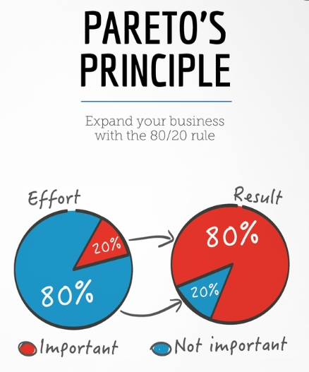

 |  | The tasks are quite easy, provided you follow the Pareto's law: spend 80% of the time reading and understanding, 20% time executing the task

Context2 Leaderboard
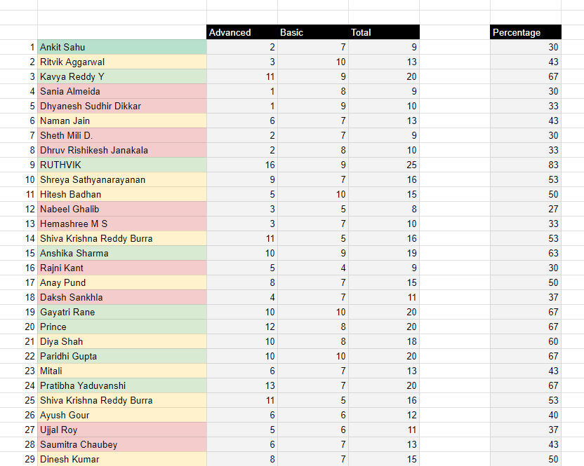

Gamification
1- A leaderboard gamifies the assessment experience- makes it a game
2- Students will want to improve themselves after seeing where they stand
3- Our goal is not to judge the students, but to nudge them to improve

Color coding
1- Color coding students into three categories helps students in visualizing the data
2- They can see if they are doing well or if there is a huge room for improvement
3- The color brings a hierarchy makes it easy to consume large data

Hierarchy
1- Too much of data can be overwhelming, so we nest it into categories and sub-categories
2- The scores are nested into green, yellow, red categories
3- There is a gap between percentage and other three cells, this gives percentage an importance

Ideas for improvement of this dashboard
1- Can you think of rank or percentile
2- Can you divide students into personas based on their answers, instead of scores. (Scores are judgmental). Students can also connect with other students of similar persona
3- Can you think of a small writeup feedback for each student based on their choices

Context3 Formulae
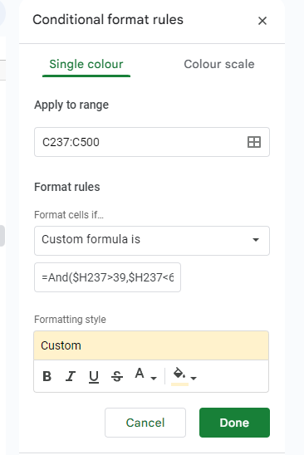
Lookup Formulae
1- You can use vlookup or xlookup to check each answer of the assessment | Sample Lookup formula
2- You can do a lookup of the key subsheet, to understand the marks that the option got | =XLOOKUP(C2, 'Key Advanced'!$E$6:$E$9,'Key Advanced'!$D$6:$D$9)'
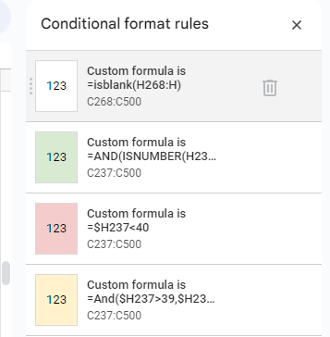
3- We have hardcoded a few sample marks in the DataSet1 and DataSet2

Conditional Formatting
1- You can use rules of conditional formatting to color the cells based on the marks
2- You can click on Format menu and choose conditional formatting from the menu
3- You can choose the range where the formula gets applied and a custom formula

Conditional Formatting functions
1- Isblank function returns true if the cell is empty, returns false if it is not empty
2- And function lets you check multiple criteria, while OR function lets pick from a range
3- Putting a dollar locks the column

Automating for each row
1- If you use array formula function, the formula gets copies to the next student automatically
2- You can use $ to lock a column or row.
3- Spreadsheets will automatically adjust the formula once you drag a formula down

Sample Array formula function
=ARRAYFORMULA(IF((P247:P="") + (Q247:Q="") + (R247:R="") + (S247:S="") + (T247:T="") + (U247:U="") + (V247:V="") + (W247:W="") + (X247:X="") + (Y247:Y=""), "", P247:P + Q247:Q + R247:R + S247:S + T247:T + U247:U + V247:V + W247:W + X247:X'

Formula Bucket
=ARRAYFORMULA(IF((P247:P="") + (Q247:Q="") + (R247:R="") + (S247:S="") + (T247:T="") + (U247:U="") + (V247:V="") + (W247:W="") + (X247:X="") + (Y247:Y=""), "", P247:P + Q247:Q + R247:R + S247:S + T247:T + U247:U + V247:V + W247:W + X247:X ))'
=arrayformula(iferror(XLOOKUP(C247:C, 'Key Advanced'!$E$6:$E$9,'Key Advanced'!$D$6:$D$9),""))'
=ARRAYFORMULA(iferror(XLOOKUP(C5:C, 'Advanced Screening'!M:M, 'Advanced Screening'!O:O),"")'
=ARRAYFORMULA(IF((D5:D<>"") + (E5:E<>"") > 0, IFERROR(D5:D + E5:E, ""), ""))'
=ARRAYFORMULA(IF(F5:F<>"", F5:F/30*100, "")) '

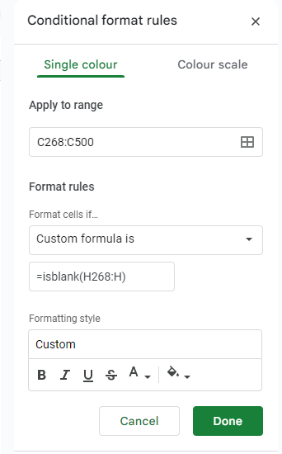

=AND(ISNUMBER(H237), H237>59)'
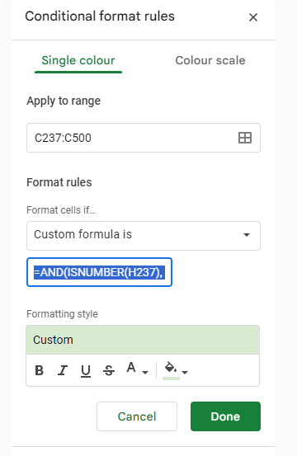
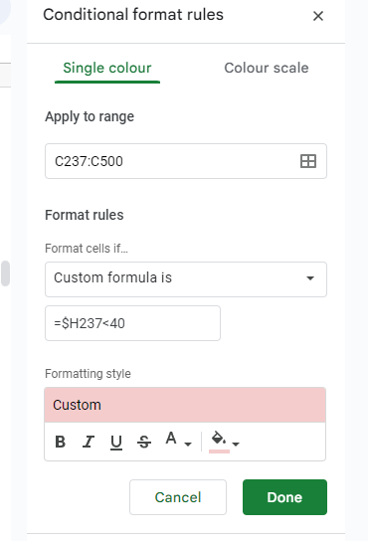

=And($H237>39,$H237<60)'

summarize_sheet
Total Number of candidates in Each Categories
 | COUNT
A | 10
B | 63
C | 30
D | 209
Top 10 Candidates with Highest Score In Advanced Questions
 | Advanced
Nishanth Pragnesh B | 8
Anchal Dubey | 7
Thejas Bhat P | 7
Paridhi Gupta | 4
Harish A | 3
Hitesh Badhan | 2
Yash Tiwari | 2
Gayatri Rane | 1
Ritvik Aggarwal | 0
Sneha U Shet | 0
Name | Advanced | Basic | Total | Percentage | Rank | Category
Ritvik Aggarwal | 0 | 10 | 10 | 33.33 | 104 | D
Lakshya | 0 | 8 | 8 | 26.67 | 185 | D
Sania Almeida | 2 | 8 | 10 | 33.33 | 104 | D
Dhyanesh Sudhir Dikkar | 3 | 9 | 12 | 40.00 | 45 | B
Ankit Sahu | 6 | 7 | 13 | 43.33 | 31 | B
Kavya Reddy Y | 3 | 9 | 12 | 40.00 | 45 | B
Naman Jain | 7 | 7 | 14 | 46.67 | 18 | B
Sheth Mili D. | -1 | 7 | 6 | 20.00 | 245 | D
Dhruv Rishikesh Janakala | 2 | 8 | 10 | 33.33 | 104 | D
Ruthvik | 0 | 9 | 9 | 30.00 | 151 | D
Shreya Sathyanarayanan | -2 | 7 | 5 | 16.67 | 268 | D
Hitesh Badhan | 2 | 10 | 12 | 40.00 | 45 | B
Anay Pund | 1 | 7 | 8 | 26.67 | 185 | D
Top 10 Candidates with Highest Total Score
 | Total
Nishanth Pragnesh B | 18
Anchal Dubey | 17
Thejas Bhat P | 17
Paridhi Gupta | 14
Harish A | 13
Hitesh Badhan | 12
Yash Tiwari | 12
Gayatri Rane | 11
Ritvik Aggarwal | 10
Sneha U Shet | 10
Top 10 Candidates with Highest Score In Basic Questions
 | Basic
Nishanth Pragnesh B | 10
Anchal Dubey | 10
Thejas Bhat P | 10
Paridhi Gupta | 10
Harish A | 10
Hitesh Badhan | 10
Yash Tiwari | 10
Gayatri Rane | 10
Ritvik Aggarwal | 10
Sneha U Shet | 10
Nabeel Ghalib | 3 | 5 | 8 | 26.67 | 185 | D
Hemashree M S | -4 | 7 | 3 | 10.00 | 298 | D
Daksh Sankhla | 3 | 7 | 10 | 33.33 | 104 | D
Shiva Krishna Reddy Burra | 0 | 5 | 5 | 16.67 | 268 | D
Anshika Sharma | 4 | 9 | 13 | 43.33 | 31 | B
Mitali | 4 | 7 | 11 | 36.67 | 74 | C
Rajni Kant | -4 | 4 | 0 | 0.00 | 310 | D
Prince | 4 | 8 | 12 | 40.00 | 45 | B
Gayatri Rane | 1 | 10 | 11 | 36.67 | 74 | C
Pratibha Yaduvanshi | 3 | 7 | 10 | 33.33 | 104 | D
Diya Shah | 1 | 8 | 9 | 30.00 | 151 | D
Paridhi Gupta | 4 | 10 | 14 | 46.67 | 18 | B
Ayush Gour | 3 | 6 | 9 | 30.00 | 151 | D
Ujjal Roy | -2 | 6 | 4 | 13.33 | 287 | D
Dinesh Kumar | 3 | 7 | 10 | 33.33 | 104 | D
Saumitra Chaubey | 3 | 7 | 10 | 33.33 | 104 | D
Sahil Singh | 0 | 5 | 5 | 16.67 | 268 | D
Samruddhi Jha | 1 | 9 | 10 | 33.33 | 104 | D
Aarzoo Baliyan | 1 | 7 | 8 | 26.67 | 185 | D
Malaika khan | 0 | 8 | 8 | 26.67 | 185 | D
Gamini Sai Mahindra | 4 | 6 | 10 | 33.33 | 104 | D
Sanjana Siva Shankar | 0 | 7 | 7 | 23.33 | 220 | D
MADHAV SHARMA . | 8 | 2 | 10 | 33.33 | 104 | D
Mitra Gopal | 1 | 9 | 10 | 33.33 | 104 | D
Keerthana Elsa Mammen | 2 | 9 | 11 | 36.67 | 74 | C
Siddhi Vilas Shilkar | 3 | 9 | 12 | 40.00 | 45 | B
Rishav Kumar Patel | 1 | 6 | 7 | 23.33 | 220 | D
Rishav Kumar Patel | 0 | 6 | 6 | 20.00 | 245 | D
Rishav Kumar Patel | 1 | 6 | 7 | 23.33 | 220 | D
Rishav Kumar Patel | 0 | 6 | 6 | 20.00 | 245 | D
Aditya Sharma | 6 | 6 | 12 | 40.00 | 45 | B
Kanishk Singhania | 2 | 8 | 10 | 33.33 | 104 | D
Niyati | -4 | 9 | 5 | 16.67 | 268 | D
Divyanshu | 0 | 8 | 8 | 26.67 | 185 | D
Shailly Sahay | 2 | 9 | 11 | 36.67 | 74 | C
VISHESH TRIPATHI | 5 | 9 | 14 | 46.67 | 18 | B
Kausik Pattanaik | 4 | 6 | 10 | 33.33 | 104 | D
Sneha U Shet | 0 | 10 | 10 | 33.33 | 104 | D
priyanka neogi | 0 | 8 | 8 | 26.67 | 185 | D
Rakhi Kamboj | 1 | 8 | 9 | 30.00 | 151 | D
Yash Patel | 0 | 7 | 7 | 23.33 | 220 | D
Gokul Singh Shah | 0 | 8 | 8 | 26.67 | 185 | D
Sakshi | 2 | 9 | 11 | 36.67 | 74 | C
Shankar Kumar Nanda | 3 | 8 | 11 | 36.67 | 74 | C
Puja nahak | 3 | 5 | 8 | 26.67 | 185 | D
Saumya Chandra | 3 | 7 | 10 | 33.33 | 104 | D
RAHUL RAJ ABHISHEK | -1 | 9 | 8 | 26.67 | 185 | D
KAPADIYA JAINY MANOJBHAI | -1 | 8 | 7 | 23.33 | 220 | D
Shivam Chavan | 5 | 6 | 11 | 36.67 | 74 | C
Sandeep Singh | 3 | 8 | 11 | 36.67 | 74 | C
Gaurav Somnath Bombale | 3 | 8 | 11 | 36.67 | 74 | C
Sayyada Ifrah | 8 | 6 | 14 | 46.67 | 18 | B
Prithvi Srivastava | 1 | 8 | 9 | 30.00 | 151 | D
Priyanshu | 3 | 7 | 10 | 33.33 | 104 | D
Shashikant Chaudhary | 3 | 9 | 12 | 40.00 | 45 | B
Rishvanth G V | 1 | 9 | 10 | 33.33 | 104 | D
Fatmi Tahir | 1 | 7 | 8 | 26.67 | 185 | D
Ravinder | 5 | 9 | 14 | 46.67 | 18 | B
Abhishek Maurya | 1 | 7 | 8 | 26.67 | 185 | D
Saksham Tyagi | 0 | 8 | 8 | 26.67 | 185 | D
Chandra lekha | -1 | 5 | 4 | 13.33 | 287 | D
Shravan Pandurang Padale | -1 | 9 | 8 | 26.67 | 185 | D
Shavi Sharma | 0 | 9 | 9 | 30.00 | 151 | D
Ashvi jain | 0 | 7 | 7 | 23.33 | 220 | D
Samikshya Priyadarshini Swain | 0 | 7 | 7 | 23.33 | 220 | D
Prasad Raut | 2 | 8 | 10 | 33.33 | 104 | D
Anshika mittal | 4 | 8 | 12 | 40.00 | 45 | B
Hariharasudhan M | 3 | 9 | 12 | 40.00 | 45 | B
Charu Bisht | 1 | 9 | 10 | 33.33 | 104 | D
Fareesa Masroor | 5 | 8 | 13 | 43.33 | 31 | B
Tanisha Tijare | -1 | 7 | 6 | 20.00 | 245 | D
Varsha | 1 | 7 | 8 | 26.67 | 185 | D
Jasmitha | 0 | 5 | 5 | 16.67 | 268 | D
Sakshi Singh | 2 | 8 | 10 | 33.33 | 104 | D
Shardul vanage | 1 | 7 | 8 | 26.67 | 185 | D
Muhammed Ayman Kamel | 0 | 7 | 7 | 23.33 | 220 | D
Apoorva Oyshee | 5 | 6 | 11 | 36.67 | 74 | C
Dushyant Singh | 3 | 8 | 11 | 36.67 | 74 | C
PRITISH PRIYADARSHI PATRA | -3 | 5 | 2 | 6.67 | 305 | D
Maitri Soni | -2 | 8 | 6 | 20.00 | 245 | D
Sandali Kishore | 5 | 9 | 14 | 46.67 | 18 | B
Sahitya bisht | 0 | 5 | 5 | 16.67 | 268 | D
Priyanshu Sharma | 0 | 7 | 7 | 23.33 | 220 | D
Amitesh Tiwari | 3 | 6 | 9 | 30.00 | 151 | D
Deepanshu Sharma | 2 | 9 | 11 | 36.67 | 74 | C
Harshith | 0 | 7 | 7 | 23.33 | 220 | D
Sanjeet Kumar | 4 | 8 | 12 | 40.00 | 45 | B
Sanjeet Kumar | 3 | 8 | 11 | 36.67 | 74 | C
Sanjeet Kumar | 4 | 9 | 13 | 43.33 | 31 | B
Sanjeet Kumar | 3 | 9 | 12 | 40.00 | 45 | B
Akash kumar soni | 4 | 8 | 12 | 40.00 | 45 | B
Mili Shandilya | -1 | 9 | 8 | 26.67 | 185 | D
Siddhi Jaiswal | 1 | 9 | 10 | 33.33 | 104 | D
Amruta M Joshi | 4 | 8 | 12 | 40.00 | 45 | B
Rajan kumar chaudhary | 2 | 7 | 9 | 30.00 | 151 | D
Vaishnavi Vishvnath Kanade | 3 | 8 | 11 | 36.67 | 74 | C
Santosh Saroj | 0 | 9 | 9 | 30.00 | 151 | D
Laiba Mahrukh Ansari | 4 | 9 | 13 | 43.33 | 31 | B
Kabyashree Hazarika | 5 | 7 | 12 | 40.00 | 45 | B
Prakriti Jha | 2 | 6 | 8 | 26.67 | 185 | D
Mayank Joshi | 6 | 7 | 13 | 43.33 | 31 | B
ADARSH GUPTA | 7 | 7 | 14 | 46.67 | 18 | B
YASAR ARAFATH M | -1 | 7 | 6 | 20.00 | 245 | D
Afsan Idrisi | -4 | 6 | 2 | 6.67 | 305 | D
Rutvi Menpara | 0 | 7 | 7 | 23.33 | 220 | D
Namrata Chaudhari | 0 | 5 | 5 | 16.67 | 268 | D
Kalagotla Shiva Reddy | 0 | 7 | 7 | 23.33 | 220 | D
Rakesh Vanam | 2 | 7 | 9 | 30.00 | 151 | D
Sathvik reddy | 0 | 3 | 3 | 10.00 | 298 | D
Ekta Rani | 7 | 5 | 12 | 40.00 | 45 | B
Jiya Khurana | 8 | 7 | 15 | 50.00 | 11 | B
Sudipta Hazra | -1 | 7 | 6 | 20.00 | 245 | D
Talika Bajaj | 3 | 6 | 9 | 30.00 | 151 | D
Vrushti Vyas | 2 | 8 | 10 | 33.33 | 104 | D
Rahul Sen | 4 | 9 | 13 | 43.33 | 31 | B
Ritik Kumar Gupta | 7 | 7 | 14 | 46.67 | 18 | B
Anshika Chaturvedi | 4 | 7 | 11 | 36.67 | 74 | C
Krish | 0 | 5 | 5 | 16.67 | 268 | D
Tanishq Sharma | 2 | 8 | 10 | 33.33 | 104 | D
Gampa Sathwik | 0 | 5 | 5 | 16.67 | 268 | D
Archana Nayaka A M | -1 | 8 | 7 | 23.33 | 220 | D
Nandini | 0 | 6 | 6 | 20.00 | 245 | D
PREMKUMAR M | 1 | 9 | 10 | 33.33 | 104 | D
Sobhit Singhal | -4 | 10 | 6 | 20.00 | 245 | D
Ansh Malhotra | 2 | 8 | 10 | 33.33 | 104 | D
Satakshi Gupta | 3 | 8 | 11 | 36.67 | 74 | C
Dakshita Garg | 0 | 6 | 6 | 20.00 | 245 | D
Shekinah.A | 5 | 8 | 13 | 43.33 | 31 | B
Harsh Sindhwal | 10 | 9 | 19 | 63.33 | 1 | A
Ashirwad Kumar | 0 | 9 | 9 | 30.00 | 151 | D
Madiha Fatema | 5 | 4 | 9 | 30.00 | 151 | D
GAURAV SONI | 0 | 9 | 9 | 30.00 | 151 | D
Seyram Dorgbetor | -3 | 7 | 4 | 13.33 | 287 | D
Sarah | 2 | 7 | 9 | 30.00 | 151 | D
Divyanidhi Dubey | 3 | 7 | 10 | 33.33 | 104 | D
Rohit Negi | 3 | 7 | 10 | 33.33 | 104 | D
Shekhar Thapa | 1 | 7 | 8 | 26.67 | 185 | D
Narravula Rohith | 1 | 8 | 9 | 30.00 | 151 | D
Chitransh Srivastava | 0 | 6 | 6 | 20.00 | 245 | D
Anshika Mandwarya | 3 | 7 | 10 | 33.33 | 104 | D
G Himavanth Reddy | 0 | 3 | 3 | 10.00 | 298 | D
Paluru Harshita Vasavi | -1 | 7 | 6 | 20.00 | 245 | D
Mahak | 9 | 7 | 16 | 53.33 | 8 | A
Khushmeet Singh | 0 | 9 | 9 | 30.00 | 151 | D
GAURAV SONI | 0 | 9 | 9 | 30.00 | 151 | D
Kanikaa gupta | -2 | 4 | 2 | 6.67 | 305 | D
Misha Srivastava | 5 | 9 | 14 | 46.67 | 18 | B
Aaron Pammi | 0 | 2 | 2 | 6.67 | 305 | D
Muhammad Anas | 7 | 5 | 12 | 40.00 | 45 | B
Atharv aggrawal | 0 | 5 | 5 | 16.67 | 268 | D
Aditya Kumar | 4 | 7 | 11 | 36.67 | 74 | C
Nandhini. J | 0 | -2 | -2 | -6.67 | 312 | D
Anjali Kumari | 5 | 7 | 12 | 40.00 | 45 | B
Shashwat Rai | 0 | 8 | 8 | 26.67 | 185 | D
Arhama Saba | -2 | 6 | 4 | 13.33 | 287 | D
Manikanta | 0 | 7 | 7 | 23.33 | 220 | D
Asmita Lohia | 8 | 8 | 16 | 53.33 | 8 | A
Appana p g s s m jayaraj | 3 | 9 | 12 | 40.00 | 45 | B
Kritika Tekchandani | 0 | 3 | 3 | 10.00 | 298 | D
Rishik Chaudhary | 8 | 6 | 14 | 46.67 | 18 | B
Abyalew Teklu | 3 | 8 | 11 | 36.67 | 74 | C
Simran Tiwari | -3 | 8 | 5 | 16.67 | 268 | D
Maitri Patel | -3 | 6 | 3 | 10.00 | 298 | D
Aryan sanjay | 0 | 9 | 9 | 30.00 | 151 | D
Jotiba Ashok Jadhav | 2 | 7 | 9 | 30.00 | 151 | D
Dhanwanth Krisha D | 0 | 8 | 8 | 26.67 | 185 | D
Sakhi Chatterjee | 3 | 9 | 12 | 40.00 | 45 | B
Mannuru Tejaswani | 4 | 7 | 11 | 36.67 | 74 | C
Khushi Chadha | 2 | 8 | 10 | 33.33 | 104 | D
B.Shiva Sathvik | 4 | 5 | 9 | 30.00 | 151 | D
Himanjit Choudhury | -2 | 7 | 5 | 16.67 | 268 | D
Vishesh kataria | 1 | 8 | 9 | 30.00 | 151 | D
Ashok Kumar | 13 | 5 | 18 | 60.00 | 2 | A
Ashok Kumar | 13 | 5 | 18 | 60.00 | 2 | A
Rishika srivastava | 0 | 3 | 3 | 10.00 | 298 | D
Prasannakumar | 10 | 5 | 15 | 50.00 | 11 | B
Amit Kumar | -3 | 7 | 4 | 13.33 | 287 | D
Surendra Bheemanathini | -1 | 8 | 7 | 23.33 | 220 | D
Surya Pillalamarri | 0 | 7 | 7 | 23.33 | 220 | D
Erukonda Saikiran | 3 | 8 | 11 | 36.67 | 74 | C
Hardik Giri Goswami | 1 | 8 | 9 | 30.00 | 151 | D
Aniket Bihana | -1 | 5 | 4 | 13.33 | 287 | D
Keerthana R | 0 | 9 | 9 | 30.00 | 151 | D
Vaibhav Ambadas Waghmare | -3 | 7 | 4 | 13.33 | 287 | D
Nishanth Pragnesh B | 8 | 10 | 18 | 60.00 | 2 | A
Aditya Naik | 1 | 7 | 8 | 26.67 | 185 | D
Abhishek Kansal | 7 | 7 | 14 | 46.67 | 18 | B
Hemant Singh Parihar | -3 | 7 | 4 | 13.33 | 287 | D
Anoushka Khemani | 1 | 9 | 10 | 33.33 | 104 | D
Dadvaiah Pavan | 1 | 7 | 8 | 26.67 | 185 | D
Aisha Jaiswal | 0 | 8 | 8 | 26.67 | 185 | D
Mounika Gannamanthi | 0 | 7 | 7 | 23.33 | 220 | D
Sparsh S. Pradhan | 0 | 8 | 8 | 26.67 | 185 | D
Saicharitha Yanambakam | 1 | 8 | 9 | 30.00 | 151 | D
Devhuti Mahore | 0 | 9 | 9 | 30.00 | 151 | D
Gayatri yadav | 3 | 6 | 9 | 30.00 | 151 | D
Tushar Tiwari | 1 | 9 | 10 | 33.33 | 104 | D
kashish kamra | 0 | 8 | 8 | 26.67 | 185 | D
Kanta Sai Dhanush | 2 | 9 | 11 | 36.67 | 74 | C
Prathamesh Patil | 7 | 9 | 16 | 53.33 | 8 | A
Sejal Mahesh Vetkar | 4 | 9 | 13 | 43.33 | 31 | B
Ashna Tuli | 0 | 6 | 6 | 20.00 | 245 | D
Debnandini Kar | 1 | 9 | 10 | 33.33 | 104 | D
Ambreen Siddiqui | -5 | 5 | 0 | 0.00 | 310 | D
Lokesh | -2 | 8 | 6 | 20.00 | 245 | D
Charmie J Jain | 2 | 5 | 7 | 23.33 | 220 | D
Havilah Bodde | 3 | 7 | 10 | 33.33 | 104 | D
Vikanshi singh | 3 | 7 | 10 | 33.33 | 104 | D
Nunavath Akhila | 1 | 7 | 8 | 26.67 | 185 | D
M.Ramani | 6 | 8 | 14 | 46.67 | 18 | B
Yash Tiwari | 2 | 10 | 12 | 40.00 | 45 | B
Sudarshan Amol Saraswat | 2 | 9 | 11 | 36.67 | 74 | C
Harish A | 3 | 10 | 13 | 43.33 | 31 | B
Keerthika tangirala | 8 | 7 | 15 | 50.00 | 11 | B
Ezak Victory | 1 | 9 | 10 | 33.33 | 104 | D
Ranjith kumar v | 1 | 8 | 9 | 30.00 | 151 | D
Sanjana Jayaraj | 1 | 9 | 10 | 33.33 | 104 | D
Vinodhini S | 4 | 8 | 12 | 40.00 | 45 | B
Ibrahim Bhaila | 9 | 8 | 17 | 56.67 | 5 | A
Dhruv Bhut | -3 | 7 | 4 | 13.33 | 287 | D
SUSHANT | 0 | 7 | 7 | 23.33 | 220 | D
Deepak kushwaha | -3 | 9 | 6 | 20.00 | 245 | D
Rimpi Saikia | -2 | 6 | 4 | 13.33 | 287 | D
Pranav Matkar | -1 | 8 | 7 | 23.33 | 220 | D
Deva Rugved | 5 | 6 | 11 | 36.67 | 74 | C
Dr. Shifa Sami | 0 | 9 | 9 | 30.00 | 151 | D
Anchal Dubey | 7 | 10 | 17 | 56.67 | 5 | A
ADARSH T | 1 | 9 | 10 | 33.33 | 104 | D
Gayatri Choudhary | -1 | 7 | 6 | 20.00 | 245 | D
Bhoomika aggarwal | -4 | 6 | 2 | 6.67 | 305 | D
Shashi Kumar | 0 | 8 | 8 | 26.67 | 185 | D
Gurudayal Maurya | 9 | 6 | 15 | 50.00 | 11 | B
Fadeela Naqash | -1 | 7 | 6 | 20.00 | 245 | D
Sourajit Deb | 2 | 8 | 10 | 33.33 | 104 | D
Nimanpreet Kaur | 4 | 6 | 10 | 33.33 | 104 | D
Aryan Khare | 3 | 9 | 12 | 40.00 | 45 | B
Nithya sree B | 4 | 7 | 11 | 36.67 | 74 | C
Akshay Kumar | -1 | 9 | 8 | 26.67 | 185 | D
Akshay Kumar | -1 | 9 | 8 | 26.67 | 185 | D
Mani sathwik Barigela | 9 | 6 | 15 | 50.00 | 11 | B
Gayatri choudhary | 0 | 8 | 8 | 26.67 | 185 | D
Kamble Rutik | 5 | 5 | 10 | 33.33 | 104 | D
Kunal Pal | -3 | 8 | 5 | 16.67 | 268 | D
Humma Irshad | 3 | 9 | 12 | 40.00 | 45 | B
kuheli sen | 0 | 5 | 5 | 16.67 | 268 | D
Bhavik Vimal Prajapati | 4 | 5 | 9 | 30.00 | 151 | D
Ayush Ajay Singh | -2 | 8 | 6 | 20.00 | 245 | D
Shireen Samir Momin | 0 | 6 | 6 | 20.00 | 245 | D
Yamini Singh | 1 | 9 | 10 | 33.33 | 104 | D
Anuj Kumar Tiwari | 4 | 9 | 13 | 43.33 | 31 | B
RUDRA KAUSHIK | -2 | 7 | 5 | 16.67 | 268 | D
Srikumar sahoo | -2 | 7 | 5 | 16.67 | 268 | D
KANDULA V UMADEEKSHITH REDDY | 4 | 6 | 10 | 33.33 | 104 | D
Athinamilagi A Vignesh K | 3 | 9 | 12 | 40.00 | 45 | B
Younus Md | -1 | 9 | 8 | 26.67 | 185 | D
Abdul Al Islam | -2 | 7 | 5 | 16.67 | 268 | D
Vaibhav Agrahari | 6 | 5 | 11 | 36.67 | 74 | C
Khushi Raj | 2 | 9 | 11 | 36.67 | 74 | C
Narendrakumar Kumawat | 4 | 7 | 11 | 36.67 | 74 | C
Jayeta Nandi | -1 | 9 | 8 | 26.67 | 185 | D
R.Vijay Vikas | 2 | 9 | 11 | 36.67 | 74 | C
Aishwarya Kande | 1 | 9 | 10 | 33.33 | 104 | D
Sundaram Singh | 4 | 8 | 12 | 40.00 | 45 | B
Yash Bodade | -1 | 7 | 6 | 20.00 | 245 | D
Sweta Maurya | 4 | 6 | 10 | 33.33 | 104 | D
Laukik sanjay Kande | 4 | 8 | 12 | 40.00 | 45 | B
Tanisha Dhasmana | 1 | 8 | 9 | 30.00 | 151 | D
Venkata Gopi Gowravarapu | 5 | 9 | 14 | 46.67 | 18 | B
P.R.POOJA | -1 | 9 | 8 | 26.67 | 185 | D
K.Kaviya | 1 | 7 | 8 | 26.67 | 185 | D
Raju chitte | 0 | 3 | 3 | 10.00 | 298 | D
Fatima Shafique | 3 | 7 | 10 | 33.33 | 104 | D
MARIYALA MADHU | 0 | 7 | 7 | 23.33 | 220 | D
Suhana yadav | 0 | 6 | 6 | 20.00 | 245 | D
Anu Somy | 3 | 9 | 12 | 40.00 | 45 | B
Poornima Gadipati | 4 | 8 | 12 | 40.00 | 45 | B
Shubham | 0 | 9 | 9 | 30.00 | 151 | D
Fatima Shafique | 3 | 7 | 10 | 33.33 | 104 | D
Aditya Pattnaik | 5 | 8 | 13 | 43.33 | 31 | B
Achu Abraham | 10 | 5 | 15 | 50.00 | 11 | B
Boini sushmitha | 1 | 6 | 7 | 23.33 | 220 | D
Thejas Bhat P | 7 | 10 | 17 | 56.67 | 5 | A
Pandiri Chaitanya Prakash | 0 | 9 | 9 | 30.00 | 151 | D
Bhumika Tiwari | 2 | 9 | 11 | 36.67 | 74 | C
Abhishek Kumar Srivastava | 4 | 7 | 11 | 36.67 | 74 | C
Manoj | 5 | 7 | 12 | 40.00 | 45 | B
Vishnu S Menon | -5 | 10 | 5 | 16.67 | 268 | D
Anamitra Bagchi | -1 | 8 | 7 | 23.33 | 220 | D
Nimmarasi Rahul Yadav | 4 | 9 | 13 | 43.33 | 31 | B
Palakuri Akshay goud | -1 | 8 | 7 | 23.33 | 220 | D
Himavamshi | 5 | 8 | 13 | 43.33 | 31 | B
Batool Amina | -1 | 6 | 5 | 16.67 | 268 | D
Yashpreet Singh Pannu | 6 | 9 | 15 | 50.00 | 11 | B
Umang Rupesh Modak | -2 | 9 | 7 | 23.33 | 220 | D
Mathesh Sankar K | 1 | 9 | 10 | 33.33 | 104 | D
Abish Kamran | 0 | 6 | 6 | 20.00 | 245 | D
Vishal Singh | 0 | 9 | 9 | 30.00 | 151 | D
PEDDAKOTLA RAHUL | 1 | 5 | 6 | 20.00 | 245 | D
K N Navaneet Singh | -2 | 6 | 4 | 13.33 | 287 | D

